1. Title Page
Grocery Basket Analysis

Data Wrangling and Marketing Insights
April 19, 2022
David Newman

Contents:
Population Flow
Consistency checks
Wrangling steps
Column derivations
Visualizations
Recommendations

“The Instacart Online Grocery Shopping Dataset 2017”, Accessed from https://www.instacart.com/datasets/grocery-shopping-2017 on April 1, 2022.

2. Population Flow
Title page

Population flow

Exclusion flag
Condition: max_order < 5
Obervations to be removed: 1,441,320
Final total count of order_products_all: 30,988,612

Orders_products_combined
Orders_products_merged
Orders_products_all

T
Total: 32,435,070
Total: 32,434,489
Total: 32,429,932

3. Consistency checks
 |  |  |  | Title page
Consistency checks

Dataset | Missing values | Missing values treatment | Duplicates
orders | days_since_prior_order has null values for customers placing their first order. | Crosstab of 'days since prior order' with 'order number'. Replaced with zeroes. | No duplicates of concern. There are duplicate user_ids rwhen the same customer places multiple orders.
products | Product name was missing from 16 orders. Aberrant pricing for 2% milk and cottage cheese ($tens of thousands). | Removed these rows | Five duplicate rows found. Removed duplicates.
orders_products_prior | Nulls appeared for products for which there is no order information. | Removed rows | None
customers | None | None | None

4. Wrangling steps
 |  |  |  | Title page
Wrangling steps

Columns dropped | Columns renamed | Columns' type changed | Comment/Reason
Dropped 'eval_set' from orders dataset |  |  | Indicates that the dataset is not current. Irrelevant to our analysis
 | order_dow changed to 'orders_day_of_week' |  | Clarity
 |  | order_id changed to string | ID number is not an integer, can't perform mathematical operations
 |  | days_since_prior_order changed to int64 | Changed to integer but decimal point remains.
Unnamed: 0 |  |  | Possibly a result of importing, unnecessary for analysis.
_merge |  |  | Necessary to complete second merge. Can't have columns with same name.
 |  | product_name changed to string | Data type was mixed
 |  | price_range_loc changed to string | Data type was mixed
first_name |  |  | Personally Identifiable Information (PII), data privacy
last_name |  |  | Personally Identifiable Information (PII), data privacy

5. Column derivations
 |  |  |  | Title page

Column derivations and aggregations

Dataset | New column | Column/s it was derived from | Conditions
Orders_Products_Merged | price_range | prices | Low-range product <=5; Mid-range product >5, <=15; High-range product >15
Orders_Products_Merged | busiest_slowest (day) | orders_day_of_week | Busiest <=1; Slowest >=3,<5; Regular !=3.!=4
Orders_Products_Merged | busy_hours | order_hour_of_day | Fewest orders >7,==23; Average orders >=17, <=22; >=7, <9; Most orders >=9, <17
Orders_Products_Merged | max_order | order_number | Max, grouped by user_id
Orders_Products_Merged | loyalty_flag | max_order | Loyal customer >40; Regular customer <=40, >10; New customer <=10
Orders_Products_Merged | mean_spending | prices | Mean, grouped by user_id
Orders_Products_Merged | spender_type | mean_spending | Low spender <10; High spender >=10
Orders_Products_Merged | median_days_btw_orders | days_since_prior_order | Median, grouped by user_id
Orders_Products_Merged | customer_frequency | median_days_btw_orders | Non-frequent customer >20; Regular customer >10, <=20; Frequent customer <=10
Orders_Products_All | region | https://simple.wikipedia.org/wiki/List_of_regions_of_the_United_States | https://simple.wikipedia.org/wiki/List_of_regions_of_the_United_States
Orders_Products_All | customer_activity | max_order | Low-activity customer <5; Active customer >=5
Orders_Products_All | profile | gender, dept_id, income, age, family status, n_dependants | See script

price_range |  |  | loyalty_flag
Mid-range product | 634889 |  | Regular customer 15891507
Low-range product | 331220 |  | Loyal customer 10294027
High-range product | 9344 |  | New customer 6249525
Insufficient data | 24547

busiest_slowest (day) |  |  | spender_type
Regular | 12927873 |  | Low spender 32310170
Busiest | 11875759 |  | High spender 119762
Slowest | 7631438

busy_hours |  |  | customer_frequency
Most orders | 21137805 |  | Frequent customer 22812392
Average orders | 10006995 |  | Regular customer 6928289
Fewest orders | 1290259 |  | Non-frequent customer 2689251
None | 11

 |  |  | profile
 |  |  | Old married men with kids 29877
 |  |  | Young alcoholics 2880
 |  |  | Rich cat ladies 774

6. Visualizations
 |  |  |  |  | Title page

Visualisations

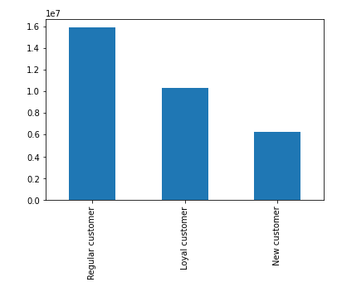

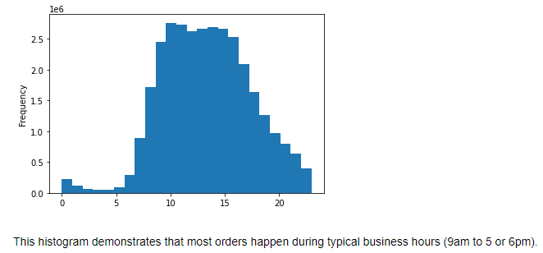

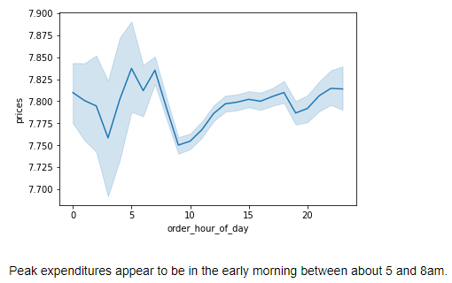
 |  |  |  | Regular customers account for the highest number of orders.

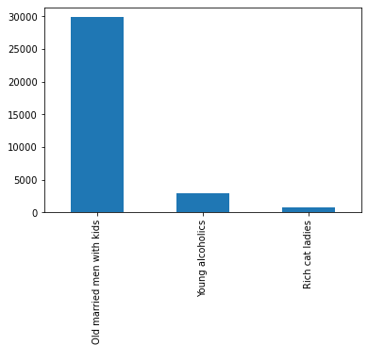
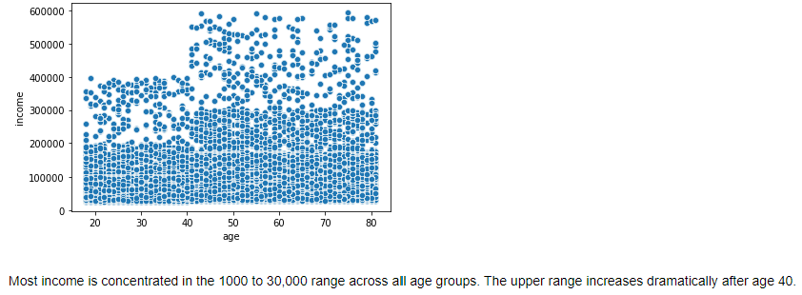

 |  |  |  |  | Of our 3 customer profiles, old married men with kids make up the largest number of users.

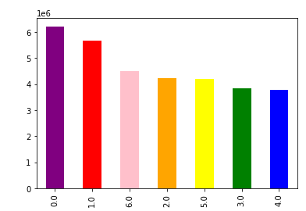

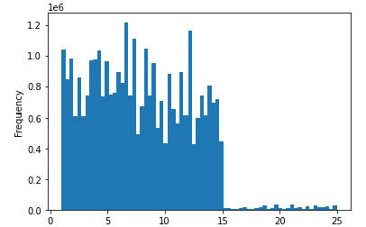

 | Most orders occur on the weekends. |  |  | Most transactions are not more than $15.
 | 0= Saturday, 1=Sunday

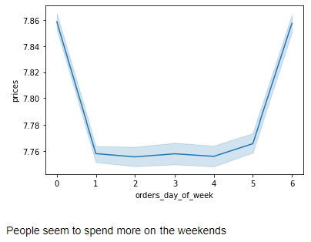
 | Rich cat ladies
produce | 47425
dairy eggs | 30768
beverages | 19048
snacks | 17553
frozen | 16363
pantry | 12781
bakery | 8116
household | 7852
canned goods | 7250
deli | 6672
dry goods pasta | 6152
pets | 5235
meat seafood | 5074
personal care | 4287
breakfast | 4275
babies | 2510
international | 1862
alcohol | 1556
missing | 376
other | 302
bulk | 93

Young alcoholics drink more than just alcohol. Beverages are ranked #3! |  |  | Rich cat ladies go crazy for produce and dairy, but eat fewer snacks than old married men with kids!

 | Young alcoholics
produce | 92759
dairy eggs | 79531
beverages | 56152
snacks | 50063
frozen | 34481
pantry | 34335
alcohol | 33263
bakery | 24093
household | 22152
canned goods | 17423
dry goods pasta | 14166
deli | 13687
breakfast | 12179
meat seafood | 11365
personal care | 8865
international | 4998
pets | 3836
babies | 3738
other | 1609
missing | 605
bulk | 157
 | Old married men with kids
produce | 1652231
dairy eggs | 929374
snacks | 499557
beverages | 471537
frozen | 385547
pantry | 324085
bakery | 201217
canned goods | 185051
deli | 180649
dry goods pasta | 149383
household | 128095
meat seafood | 123585
breakfast | 119663
personal care | 77279
babies | 74736
international | 46661
alcohol | 23419
pets | 17443
missing | 12038
other | 6167
bulk | 6038

 | Young alcoholics
Midwest | 118684
Northeast | 89468
South | 174210
West | 137445
 | Old married men with kids
Midwest | 1297466
Northeast | 1046609
South | 1863689
West | 1411240
 | Rich cat ladies
Midwest | 49517
Northeast | 36237
South | 75147
West | 44824

A plurality of our "old married men with kids" live in the South. |  | Rich cat ladies and old married men have a lot in common. |  |  |  | Once again, the South wins the day among young alchoholics.
Start shipping more snacks to Texas ASAP! |  | Send more Fancy Feast to Alabama, jack up the price, and blame it on the "supply chain!" |  |  |  | This group eats a lot of frozen food and drinks nonalcoholic beverages as well.
 |  |  |  |  |  | Send more Hungry Man TV dinners and 2-liter bottles of soda to Mississippi!

7. Recommendations
 |  |  |  |  |  |  |  | Title page

Recommendations

Increase ads during weekday evenings.
Advertise expensive breakfast products during early morning hours.
Market high-range products to customers over 40.
Increase stock in the following departments: bulk, pets, dry goods/pasta, International, and beverages.
Launch rewards program based on customer's total orders and order frequency.
Lower delivery fees in the Northeast region.
Market snacks to old married men with kids, particulary those in Texas.
Send more cat food to Alabama, jack up the price, and blame it on the "supply chain."

Question | Answer |  |  |  |  | Recommendations
1. Busiest days of the week and hours of the day. | Weekends are the busiest days. Busiest hours are 9am to 5pm. |  |  |  |  | Increase ads during less busy times, such as weekday evenings.

2. Times of day when people spend the most. | Average spending is between $7 and $8 regardless of time of day, but peak spending is between 5 and 8am. |  |  |  |  | Advertise expensive breakfast products during early morning hours.

3. How to simplify price range groupings | Prices were grouped into 3 categories: Low-range product ($5 or less), Mid-range product ($5 to $15), |  |  |  |  | Market high-range products to customers over 40 (see age-income graph below).
 | and High-range product (above $15).
 | price_range
 | Mid-range product | 634889
 | Low-range product | 331220
 | High-range product | 9344
 | Insufficient data | 24547

4. Departments with highest average orders per customer. | Dept | Avg orders |  | Bulk, pets, dry goods/pasta. International, and beverages are the depts |  | Stock up on items in these departments to ensure there is never a shortage.
 | bulk | 25.535596 |  | with highest average orders
 | pets | 19.674252
 | dry goods pasta | 18.681852
 | international | 17.805828
 | beverages | 17.537934
 | dairy eggs | 17.518895
 | bakery | 17.074484
 | personal care | 16.957587
 | missing | 16.924344
 | pantry | 16.658449
 | breakfast | 16.587381
 | other | 16.292631
 | babies | 16.153766
 | snacks | 16.111408
 | alcohol | 15.602964
 | produce | 15.562844
 | deli | 15.44758
 | household | 15.333271
 | canned goods | 14.942021
 | frozen | 14.894521
 | meat seafood | 14.327957

 |  |  |  | Regular customers (10-40 orders) comprise the highest number of users, followed by loyal customers (more than 40 orders). |  |  |  | Launch rewards program to encourage loyalty and reward frequent users.
5. Brand loyalty distribution | loyalty_flag |  |  |  |  |  |  | Base rewards on both total number of orders and order frequency.
 | Regular customer 15,891,507
 | Loyal customer 10,294,027
 | New customer 6,249,525

 | customer_frequency |  |  |  | Frequent customers (average of fewer than 10 days between orders) make up most of our customer base.
 | Frequent customer 22,812,392
 | Regular customer 6,928,289
 | Non-frequent customer 2,689,251

6. Difference in ordering habits based on region |  |  |  | Most of our high spenders (mean order price $10 or more) are in the South, but the region with the greatest proportion of high spenders is the Midwest. |  |  |  |  |  | When pricing our items, we can vary our pricing by region
 |  |  |  |  |  |  |  |  |  | based on what customers are willing to pay. We can lower
 |  |  |  |  |  |  |  |  |  | our delivery fees in low-spending reigons like the Northeast
 | region | High spender | Low spender | Total | Percent High Spenders |  |  |  |  | to attract more customers.
 | Midwest | 29299 | 7573457 | 7602756 | 0.385%
 | West | 31257 | 8268126 | 8299383 | 0.377%
 | South | 40553 | 10759640 | 10800193 | 0.375%
 | Northeast | 18653 | 5708947 | 5727600 | 0.326%

7. Connection between age and family status |  |  |  |  |  |  |  |  |  | Market items from the baby department to people in their early 20s and early 60s.

 |  |  |  |  |  |  |  |  | Market expensive items to people 40 and over.
8. Relationship between age and income

9. Customer profiles for targeted marketing campaigns |  | "Old married men with kids" are married males over 50 years old with at least 1 dependent. |  |  |  |  | Market produce and dairy to all three groups.
 |  | "Young alcoholics" are people under 32 years old who shop in the alcohol department. |  |  |  |  | Market snacks to old married men with kids, particulary those in Texas.
 |  | "Rich cat ladies" are single, divorced, or widowed females with an income over 100,000 who shop in the pet department. |  |  |  |  | Send more cat food to Alabama, jack up the price, and blame it on the "supply chain."
 |  | We also made them over 32 years old so there is no overlap with "young alcoholics." |  |  |  |  | Market frozen food and nonalcoholic beverages to "young alcoholics."

 |  | profile
 |  | Old married men with kids 29877
 |  | Young alcoholics 2880
 |  | Rich cat ladies 774

 | Old married men with kids
produce | 1652231
dairy eggs | 929374
snacks | 499557
beverages | 471537
frozen | 385547
pantry | 324085
bakery | 201217
canned goods | 185051
deli | 180649
dry goods pasta | 149383
household | 128095
meat seafood | 123585
breakfast | 119663
personal care | 77279
babies | 74736
international | 46661
alcohol | 23419
pets | 17443
missing | 12038
other | 6167
bulk | 6038
 | Old married men with kids
Midwest | 1297466
Northeast | 1046609
South | 1863689
West | 1411240

 | Young alcoholics
produce | 92759
dairy eggs | 79531
beverages | 56152
snacks | 50063
frozen | 34481
pantry | 34335
alcohol | 33263
bakery | 24093
household | 22152
canned goods | 17423
dry goods pasta | 14166
deli | 13687
breakfast | 12179
meat seafood | 11365
personal care | 8865
international | 4998
pets | 3836
babies | 3738
other | 1609
missing | 605
bulk | 157
 | Young alcoholics
Midwest | 118684
Northeast | 89468
South | 174210
West | 137445

 | Rich cat ladies
produce | 47425
dairy eggs | 30768
beverages | 19048
snacks | 17553
frozen | 16363
pantry | 12781
bakery | 8116
household | 7852
canned goods | 7250
deli | 6672
dry goods pasta | 6152
pets | 5235
meat seafood | 5074
personal care | 4287
breakfast | 4275
babies | 2510
international | 1862
alcohol | 1556
missing | 376
other | 302
bulk | 93
 | Rich cat ladies
Midwest | 49517
Northeast | 36237
South | 75147
West | 44824

